Sheet1
input data |  |  | output data |  |  | plate calculations |  |  | stiffeners calculations |  |  | flanges and web welding

web length | 50 | cm | overall safety | safe | safety | web length | 50 | cm | stiffeners count | 3 | stiffenere | Fu,weld | 1.04 | t/cm2
web thickness | 1.5 | cm | top plate thickness | 2 | cm | web thickness | 1.5 | cm | stiffeners spacing , center to center | 9 | cm | flange weld length | 26.5 | cm
flange length | 24 | cm |  |  |  | flange length | 24 | cm | stiffeners clear spacing , X | 7 | cm | web weld length | 92 | cm
flange thickness | 2 | cm | weld of stiffener with flange continue to reach the base plate , weld of web stops before flange with flange weld thickness , flange weld stops before stiffener with stiffener to flange weld thickness , flange weld stops before web with web weld thickness, web normal stress is calculated with force / area + moment * y / weld inertia |  |  | flange thickness | 2 | cm | stiffener thickness , tst | 2 | cm | stiffeners to plate weld area | 312 | cm2
C1 | 5 | cm |  |  |  | beam depth h | 54 | cm | stiffener height ,hst | 22 | cm | weld area | 457 | cm2
D (plate length) | 120 | cm |  |  |  | C1 | 5 | cm | stiffeners length , bst | 28 | cm | weld inertia | 311583.66667 | cm3
tp , plate thickness | 2 | cm |  |  |  | C2 | 8 | cm | buckling check bst / tst | 14 | buckling | FN | 0.76730893267 | t/cm2
Straining actions |  |  |  |  |  | D (plate length) | 120 | cm | buckling safety | safe | safety | FQ | 0.018599562363 | t/cm3
N Normal force | 56 | ton |  |  |  | B (plate Width) | 40 | cm | ………..section M , weld of stiffeners and plate section calculations……….. |  |  | Feq | 0.76798491477 | t/cm4
Qx | 7.5 | ton |  |  |  | tp , plate thickness | 2 | cm | stiffener weld length = hst - Sw | 20 | cm | safety | safe
Qy | 4 | tons |  |  |  | (D - beam depth h) / 2 | 33 | cm | stiffener weld thickness , sw | 2 | cm
Q eq | 8.5 | ton |  |  |  | e | 87.5 | cm | area | 320 | cm2
M moment | 49 | m . Ton |  |  |  | stress core | 20 | cm | center of gravity | 9.25 | cm | Top Plate Design
stiffiners |  |  | لحمام الاستيفنر بالفلانجة هو اللي بيكمل للبليت , لحام الفلانجة بالبليت بيقف عند الاستيفنر بالإضافة إلي سمك لحام الاستيفنر بالفلانجة , لحام الاستيفنر بالبليت بيقف عند سمك لحام االفلانجة |  |  | comp. and tension bolts spacing , h* , spacing bet. C.g. of stiffeners | 82 | cm | inertia | 15286.666667 | cm2
stiffeners count | 3 | stiffenere |  |  |  | Compression force | 87.756097561 | ton | fn , normal stress on weld | 0.9935915354 | ton/cm2 | plate width | 25.6 | cm
stiffener thickness , tst | 2 | cm |  |  |  | Tension Force | 31.756097561 | ton | qy , shear stress on Weld | 0.22561946828 | ton/cm2 | moment on plate | 35.725609756 | ton cm
stiffener height , hst | 22 | cm |  |  |  | a ( third comp. stress in case of tension existance ) | 19 | cm | feq , equivalent stress | 1.0676781222 | ton / cm2 | plate thickness required | 2 | cm
bolts |  |  |  |  |  | ………..Plate Properties of area calculations……….. |  |  | stiffeners weld safety | safe | safety
bolts rows | 3 | rows |  |  |  | plate surface Area | 4800 | cm2
bolt diameter | 22 | mm |  |  |  | plate surface inertia , Ix | 5760000 | cm4
weld |  |  |  |  |  | plate section area , A1 | 80 | cm2 | shear bolts threaded bolts , Anchor bolts
flange weld thickness | 2 | cm |  |  |  | plate section center of gravity | 1 | cm
web weld thickness | 1 | cm |  |  |  | plate section inertia | 26.666666667 | cm4 | bolts count | 6 | All bolts
stiffeners to plate weld thickness | 1 | cm |  |  |  | Applied moment on Plate , due to compression | 36.801379787 | ton cm | construction condition , 3D , edge and flange spacing | safe | safety | Resistance Stresses
 |  |  |  |  |  | tp , plate thickness , required for compression | 1.46 | cm | construction condition , 3D , stiffeners spacing | safe | safety
 |  |  |  |  |  | plate thickness safety , for compression | safe | cm | Area bolt | 3.8013271108 | cm2 | steel yield stress | 3.6 | ton/cm2
 |  |  |  |  |  | ………..M-section Properties of area calculations……….. |  |  | Rsh | 4.0712213357 | tons | steel ultimate stress | 5.2 | ton/cm2
 |  |  |  |  |  | Area | 212 | cm2 | Rbear | 23.3376 | tons | plate section allowable stress 0.58Fy | 2.088 | ton/cm2
 |  |  |  |  |  | center of gravity | 8.4716981132 | cm | R max | 4.0712213357 | tons | plate section allowable stress 0.72Fy | 2.592 | ton/cm3
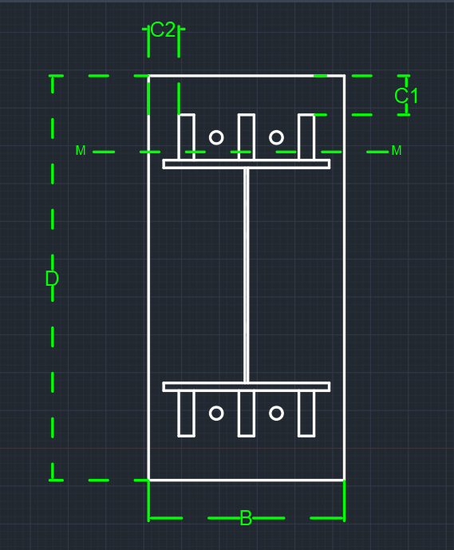
 |  |  |  |  |  | inertia | 11958.761006 | cm4 | Q per Bolt | 1.4166666667 | tons | concrete bearing capacity | 77 | kg/cm2
 |  |  |  |  |  | moment @ M-sec | 1191.2707925 | ton cm | Tension allowable | 6.7465953563 | tons
 |  |  |  |  |  | shear force @ M-sec | 72.198229849 | tons | Tension per bolt | 5.2926829268 | tons
 |  |  |  |  |  | max normal stress | 1.5468502536 | ton /cm2 | circular equation | 0.73651910273
 |  |  |  |  |  | shear stress | 0.34055768797 | ton/cm2 | bolt straining actions safety | safe | safety
 |  |  |  |  |  | combined stress | 1.5838955918 | ton/cm2 | ………..bolts length ……….. |  |  | Applied Stresses
 |  |  |  |  |  | section safety | safe | safety | bold stress for concrete | 9 | kg/cm2
 |  |  |  |  |  |  |  |  | required bolt length | 50 | cm | have tension ? | have tension
 |  |  |  |  |  |  |  |  | Area washer plate | 28.344236361 | cm2 | max stress ( concrete stress ) | 0.076979032948 | t/cm2
 |  |  |  |  |  |  |  |  | washer plate length | 5.32 | cm | stress on concrete @ stiffeners edge | 0.070226486198
 |  |  |  |  |  |  |  |  | moment on washer plate | 1.449224392 | ton cm | stress on concrete @ bolt | 0.051319355299 | t/cm2
 |  |  |  |  |  |  |  |  | washer plate thickness | 1.2512306586 | cm | stress concrete @ flange | 0.032412224399 | t/cm2
 |  |  |  |  |  |  |  |  |  |  |  | average Concrete stress ( max , @bolt) | 0.066174958148 | t/cm2
 |  |  |  |  |  |  |  |  |  |  |  | average concrete stress ( max , @flange ) | 0.054695628674 | t/cm2
 |  |  |  |  |  |  |  |  |  |  |  | concrete bearing safety | safe | safety

